Summary
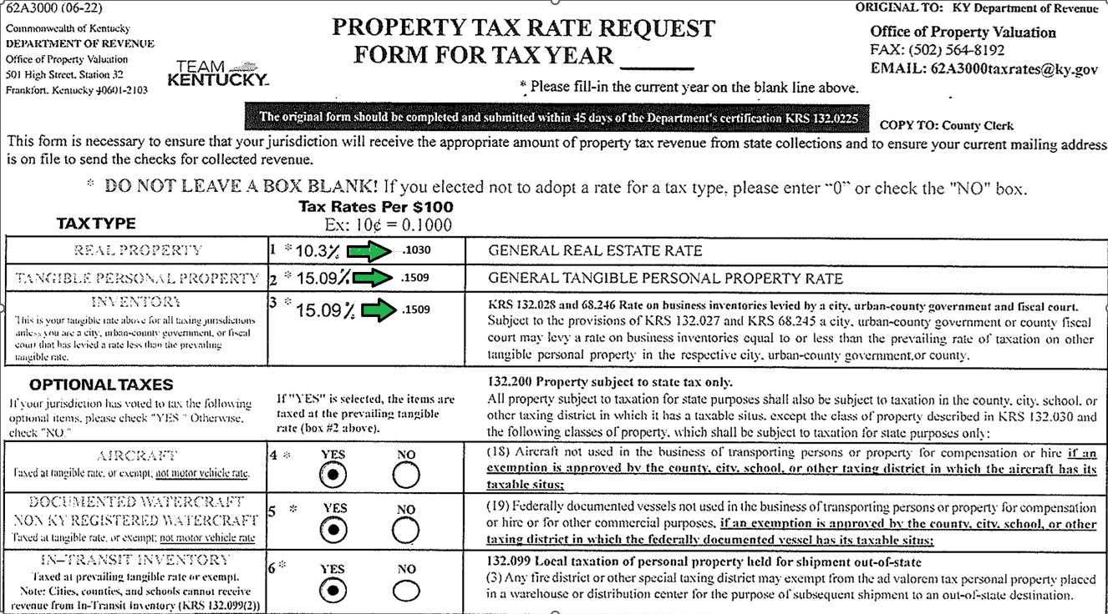
62A3000 Form % to Rate Conversion |  |  |  | 62A3000 - Example | - The detail in Column D of the 62A3000 Form % to Rate Conversion Chart will be the amounts to list on the 62A3000 Form when submitting Tax Rates.
Tax Type |  | Rate Conversion (% to Decimal)
 |  | Budget File | 62A3000
 |  | Rate (%) | Rate ($.10) per $100
Real Property |  | 10.3000 | 0.103000
Tangible Personal Property |  | 15.0900 | 0.150900
Motor Vehicle |  | 2.2000 | 0.022000
 |  | Divide by 100 = | Left 2 spots. Converts
 |  |  | from % to Decimal

SPGE Registration Detail
TAX TYPE |  | Tax Rate/Fee Amount | Unit
Real Property |  | $0.103000 | $100
Tangible Personal Property |  | $0.150900 | $100
Motor Vehicle |  | $0.022000 | $100
OPTIONAL TAXES | Y/N | Tax Rate/Fee Amount | Unit
Aircraft (Rec Non-Commercial) | Y | $0.150900 | $100
Watercraft (Non-Commercial) | Y | $0.150900 | $100
In-Transit Inventory | Y | $0.150900 | $100
Distilled Spirits | N | $0.000000 | $0

 |  |  |  | SPGE Entry - Example | - The detail in Column C & D of the SPGE Registration Detail Chart will be the amounts to enter in the SPGE portal

